4050 ordering
 |  |  | Click in Blank cell - select one for each Option |  |  |  |  |  |  |  | MY ORDER # HI 4050

HI 4050 - | Instrument Type (Select One) |  |  | Power Supply (Select One) |  |  | Internal Options (Select One) |  | Network Options 1 (Select One) |  |  |  | Auxiliary Options (Select One) |  | Enclosure Option Assemblies Used ONLY with -DRWS, -PMWS (Select One)
 | Din Rail (no display) |  | -DR | AC |  | -AC | No Internal | Leave blank | No External Network |  |  | -N2 | No Aux Option | -N3 | No Summing Card Option. Includes 4 glands; 4 seals+++ | -N4
 | Weight Controller Panel/Remote Mount (with keyboard/display) |  | -PM | DC |  | -DC | Ethernet IP | -EIP | Devicenet |  |  | -DN | Four Channel Analog (Option Slot)++ | -4ANB | INTEGRATED TECHNICIAN Summing card | -IT1
 | Wall Mount Stainless steel enclosure (no display) |  | -DRWS |  |  |  | Modbus TCP/IP | -MD | Four Channel Analog (Network Slot)++ |  |  | -4ANA | Digital I/O (3 in; 4 out) | -DIO | INTEGRATED TECHNICIAN Summing card with Trim Pots*** | -IT2
 | Wall Mount Stainless steel enclosure (with keyboard/display) |  | -PMWS |  |  |  | Rate-of-Change | -ROC | Profibus Interface (DR and PM only) |  |  | -PB |  |  | Standard Summing Card | -JB1
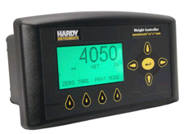
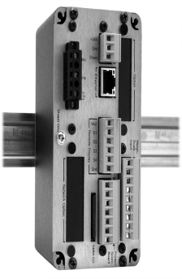
 |  |  |  |  |  |  | NTEP (adds front label) | -NTEP | Profibus Interface |  |  | -PB50W |  |  | Standard Summing Card with Trim Pots*** | -JB2
 |  |  |  |  |  |  |  |  | ControlNet+ |  |  | -CN |  |  | Standard Summing Card withTB-10** | -JB3
 |  |  |  |  |  |  |  |  |  |  |  |  |  |  | Standard Summing Card with Trim Pots***/TB-10** | -JB4
 |  |  |  |  |  |  |  |  | + Certs presently not available for this option ++ Select only one - 4ANA or 4ANB - for use with HI 4050, not both |  |  |  |  |  | +++ MUST select if NO summing card ** For more than four load cells, use two HI 215JB series with TB-10 *** Trim Pots cannot be used with C2

 |  |  |  |  |  |  |  |  |  |  |  |  |  |  | *** Trim Pots cannot be used with C2

Example Order #'s
HI 4050 - XX-XX-XX-XX-XX-XX
HI 4050-DR-DC-N1-DN-N3 = Din rail blind, DC power, no internal opt, Devicenet, no Aux Opt:
HI 4050-PMWS-AC-MD-N2-DIO-N4= Wall Mount w/display, AC powered, Modbus TCP/IP, No Ext Network, Digital IO, No Summing Card:

Series Model | Instrument Type | Power Supply | Internal Opt | Network Opt | Aux Opt | Encl. Opt
HI 40XX | XX | XX | XX | XX | XX | XX
HI 4050 | -DR, PM, DRWS, PMWS | -AC, DC | -EIP, MD, ROC, NTEP | -N2, DN, 4ANA, PB, PB50W, CN | -N3, 4ANB, DIO* | -N4, IT1, IT2, JB1, JB2, JB3, JB4 |  |  |  | Questions? Call 800-821-5831 or 858-278-2900

4060 ordering
 |  |  | Click in Blank cell - select one for each Option |  |  |  |  |  |  |  | MY ORDER # HI 4060

HI 4060 - | Instrument Type (Select One) |  |  | Power Supply (Select One) |  |  | Internal Options (Select One) |  | Network Options 1 (Select One) |  |  |  | Auxiliary Options (Select One) |  | Enclosure Option Assemblies Used ONLY with -DRWS, -PMWS (Select One)
 | Din Rail (no display) |  | -DR | AC |  | -AC | No Internal | Leave Blank | No External Network |  |  | -N2 | Four Channel Analog (Option Slot) INCLUDED | -4ANB | No Summing Card Option. Includes 4 glands; 4 seals+++ | -N4
 | Weight Controller Panel/Remote Mount (with keyboard/display) |  | -PM | DC |  | -DC | Ethernet IP | -EIP | Devicenet |  |  | -DN |  |  | INTEGRATED TECHNICIAN Summing card | -IT1
 | Wall Mount Stainless steel enclosure (no display) |  | -DRWS |  |  |  | Modbus TCP/IP | -MD | Profibus Interface (DR and PM only) |  |  | -PB |  |  | INTEGRATED TECHNICIAN Summing card with Trim Pots*** | -IT2
 | Wall Mount Stainless steel enclosure (with keyboard/display) |  | -PMWS |  |  |  |  |  | Profibus Interface |  |  | -PB60W |  |  | Standard Summing Card | -JB1
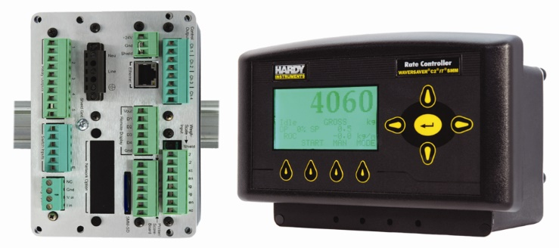
 |  |  |  |  |  |  |  |  | Four Channel Analog (Network Slot) INCLUDED |  |  |  |  |  | Standard Summing Card with Trim Pots*** | -JB2
 |  |  |  |  |  |  |  |  |  |  |  |  |  |  | Standard Summing Card with TB-10** | -JB3
 |  |  |  |  |  |  |  |  | + Certs presently not available for this option |  |  |  |  |  | Standard Summing Card with Trim Pots***/TB-10** | -JB4
 |  |  |  |  |  |  |  |  |  |  |  |  |  |  | +++ MUST select if NO summing card ** For more than four load cells, use two HI 215JB series with TB-10 *** Trim Pots cannot be used with C2

Example Order #'s
HI 4060-DR-DC-N1-PB60W-4ANB = Din rail blind, DC power, no internal opt, Profibus Int, no Aux Opt, 4-chan analog:
HI 4060-DRWS-AC-N1-N2-4ANB-N4= Wall mount-no display, AC powered, no Int Opt, No Ext Network, 4 chan analog, No summing card:

Series Model | Instrument Type | Power Supply | Internal Opt | Network Opt | Aux Opt | Encl. Opt
HI 40XX | XX | XX | XX | XX | XX | XX
HI 4060 | -DR, PM, DRWS, PMWS | -AC, DC | -EIP, MD | -N2, DN,PB, PB60W | - 4ANB | -N4, IT1, IT2, JB1, JB2, JB3 |  |  |  | Questions? Call 800-821-5831 or 858-278-2900

